Sheet1
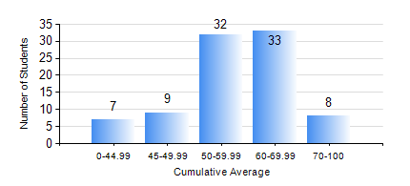
 |  |  | KWAME NKRUMAH UNIVERSITY OF SCIENCE AND TECHNOLOGY, KUMASI Department of Materials Engineering

 |  |  | BSC. METALLURGICAL ENG.

 |  |  | COMPREHENSIVE RECORD OF EXAMINATION RESULTS

 |  |  | RESULTS OF YEAR 2 FIRST SEMESTER, 2024/2025 ACADEMIC YEAR

 | Sn | Course Code |  | Course Name | Credit Hours | Min. Mark | Max. Mark | Avg. Mark | Std. Dev. | No. Passed | No. Trailed | No. (Df) | No. (I) | No. (I*) | No. Tagged(I,I*,Df) | Total
 | 0. |  |  |  |  |  |  | 0 | 0 | 0 | 0 | 0 | 0 | 0 | 0 | 2
 | 1. | CENG 291 |  | ENGINEERING IN SOCIETY | 2 | 32 | 88 | 72 | 11.73 | 83 | 4 | 0 | 0 | 0 | 0 | 87
 | 2. | GED 251 |  | MINERALOGY | 3 | 33 | 83 | 63 | 13.27 | 83 | 4 | 0 | 0 | 0 | 0 | 87
 | 3. | MATH 251 |  | DIFFERENTIAL EQUATIONS | 4 | 40 | 84 | 61 | 11.44 | 86 | 0 | 0 | 1 | 0 | 1 | 87
 | 4. | METE 251 |  | METALLURGICAL THERMODYNAMICS | 3 | 13 | 92 | 51 | 16.95 | 67 | 20 | 0 | 0 | 0 | 0 | 87
 | 5. | MSE 251 |  | MOMENTUM TRANSPORT | 2 | 12 | 77 | 42 | 13.89 | 59 | 28 | 0 | 0 | 0 | 0 | 87
 | 6. | MSE 253 |  | MECHANICAL BEHAVIOUR OF MATERIALS | 3 | 17 | 89 | 50 | 15.77 | 72 | 15 | 0 | 0 | 0 | 0 | 87
 | 7. | MSE 255 |  | PROPERTIES OF ENGINEERING MATERIALS | 3 | 8 | 89 | 55 | 16.56 | 81 | 6 | 0 | 0 | 0 | 0 | 87
 | 8. | MSE 257 |  | INDIGENOUS PROCESSING | 1 | 21 | 83 | 75 | 9.49 | 85 | 2 | 0 | 0 | 0 | 0 | 87

